5
Management Training Meeting (Optional Question)
 | If you complete this question, please work directly in this worksheet. Do not copy and paste results from a separate worksheet. (Crystal Ball data do not survive a copy and paste).
 | Please use the cell preferences and run preferences specified in the yellow box below (and in the instructions for this exam).

 | Activity | Predecessor | Optimistic Scenario | Most Likely Scenario | Pessimistic Scenario | Start Time | Activity Time | Finish Time
 | A Set location | — |  | 3 |  | 0 | 3 | 3
 | B Obtain keynote speaker | — | 3 |  | 7 | 0 | 5 | 5
 | C Obtain other speakers | B | 3 | 5 | 8 | 5 | 5.3333333333 | 10.333333333
 | D Make travel plans for keynote speaker | A, B | 3 | 4 | 5 | 8 | 4 | 12
 | E Make travel plans for other speakers | C | 6 | 7 | 9 | 10.333333333 | 7.3333333333 | 17.666666667
 | F Make food arrangements | A | 6 | 8 | 9 | 3 | 7.6666666667 | 10.666666667
 | G Negotiate hotel rates | A | 4 | 5 | 6 | 3 | 5 | 8
 | H Prepare brochure | C, G | 2 | 3 | 4 | 10.333333333 | 3 | 13.333333333
 | I Prepare handouts | C, F | 4 | 6 | 9 | 10.666666667 | 6.3333333333 | 17
 | J Take reservations | H |  | 4 |  | 13.333333333 | 4 | 17.333333333

 |  |  |  |  |  |  | Project Completion Time | 17.666666667

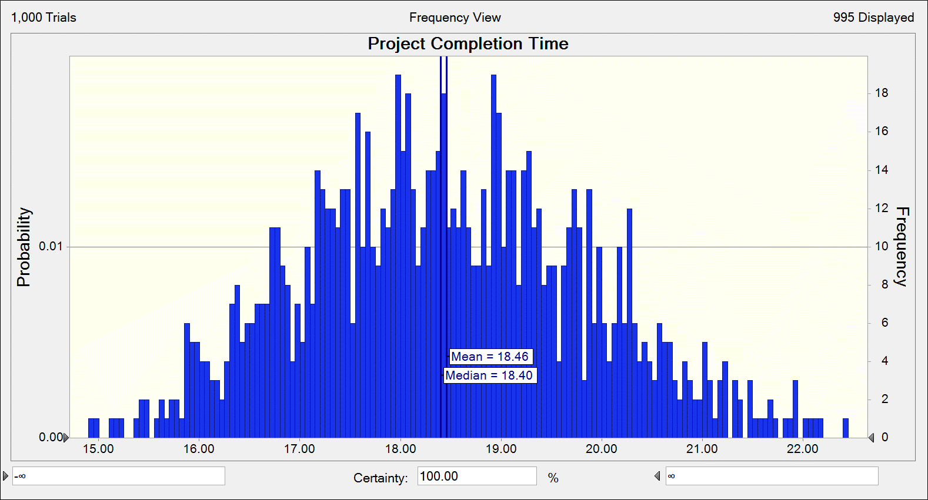

a. We expect, on average, for the project to take 18.46 weeks.

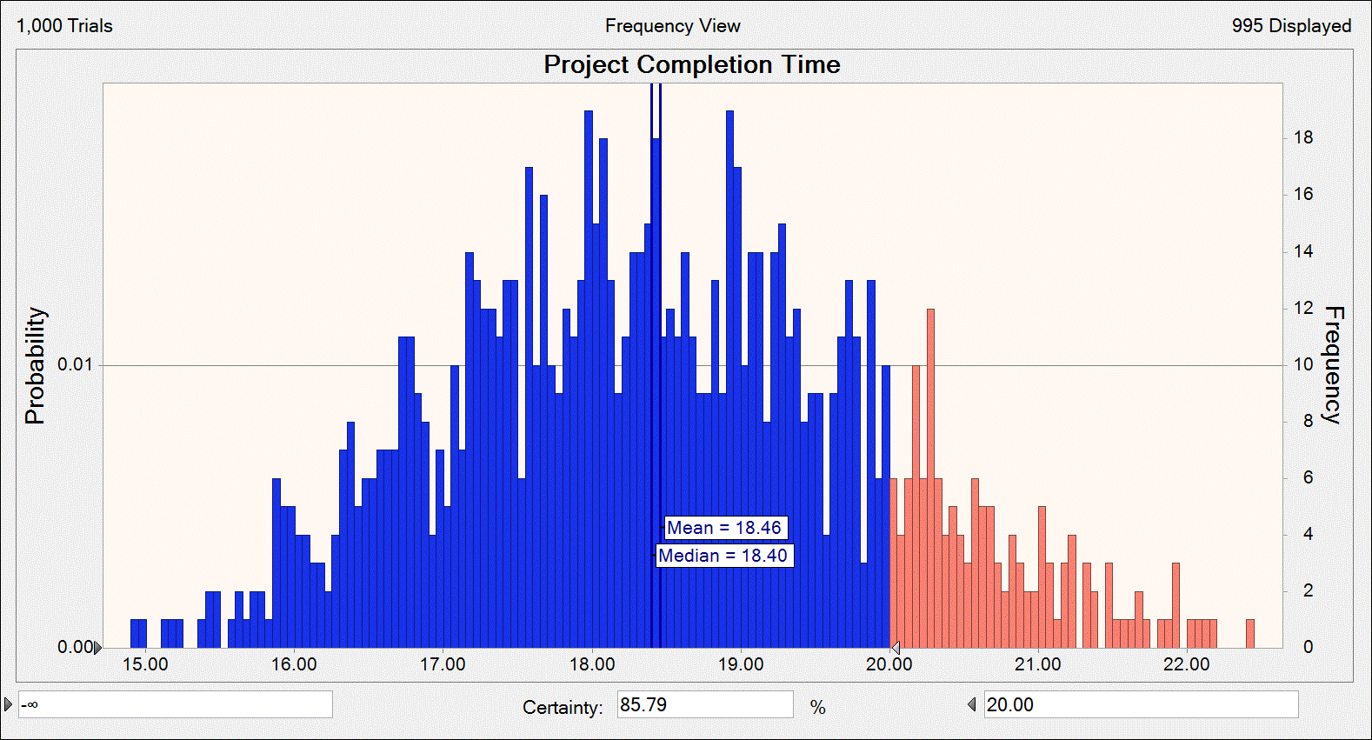

b. The certainty of completing all tasks within 20 weeks, is 85.79%.

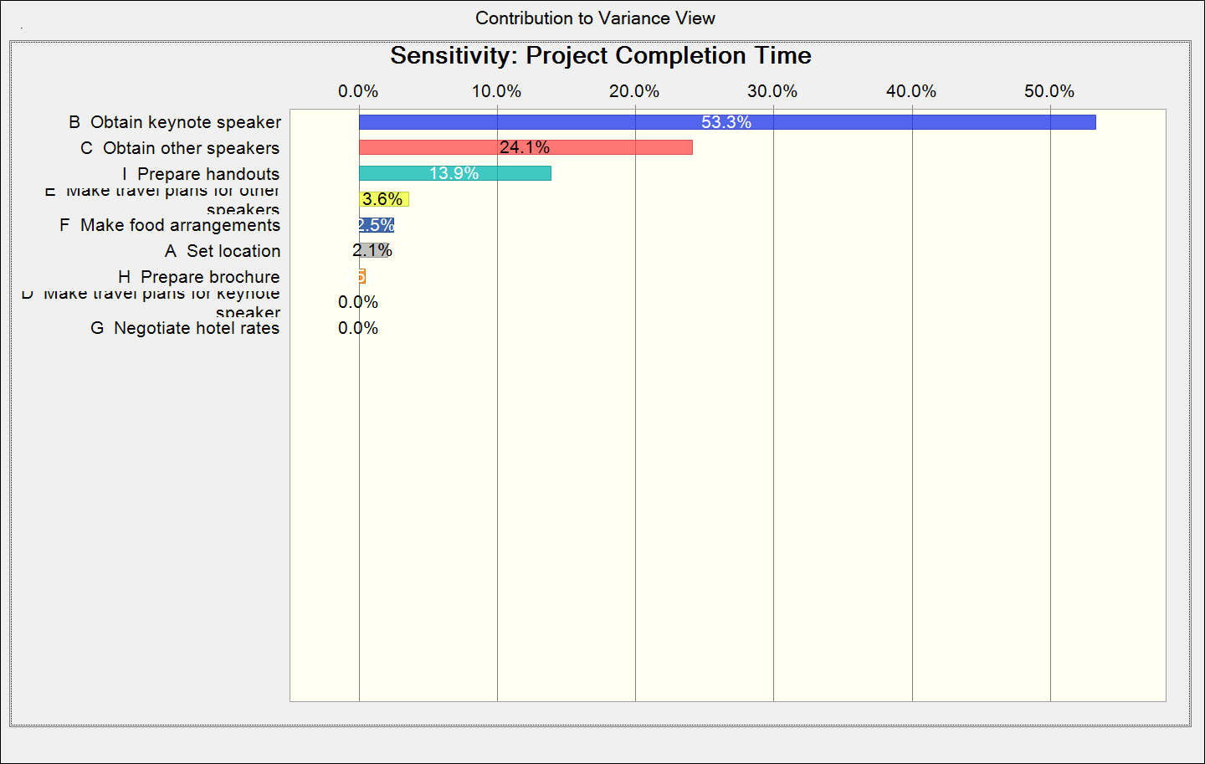
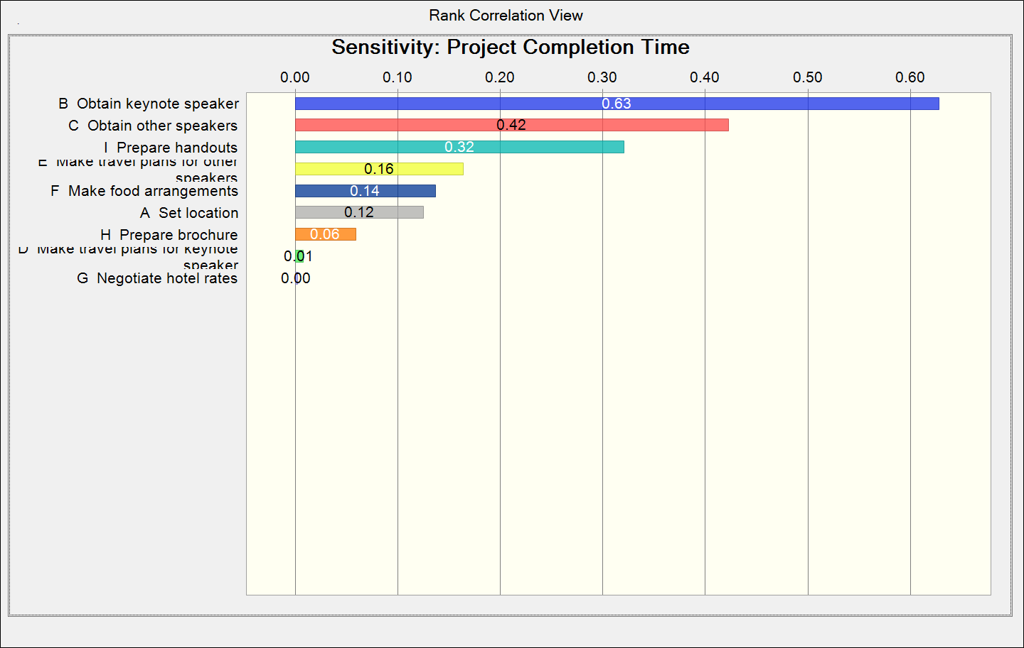

c. Christine should keep an eye on tasks B and C: Obtaining the keynote and other speakers. Task B has great variance from 3 to 7 weeks, and the likelihood of completion is equally distributed between this time. Additionally, this task is a prerequisite for the completion of task C. Task C has the highest variance from 3 to 8 weeks. Futhermore, task C is a prerequisite to downstream tasks E, H, and I wherein 2/3 of these tasks could potentially take up to 9 weeks to complete!

